READ FIRST!!
INSTRUCTIONS IN USING THIS FORMAT
1 | Fill up cells highlighted in yellow only. As much as possible do not edit cells with formulas
 | 1.a | TAG/MARK - manually type the tagging based from plans
 | 1.b | STEEL TYPE & STEEL SECTION - a drop down list is provided, please choose corresponding steel types and section for given tag/mark
2 | If steel type/section is not in the list, data is not yet available in the "DATA SHEET" tab. A blank row is provided at end of each table for adding another steel section. Please copy first the designated row for new data
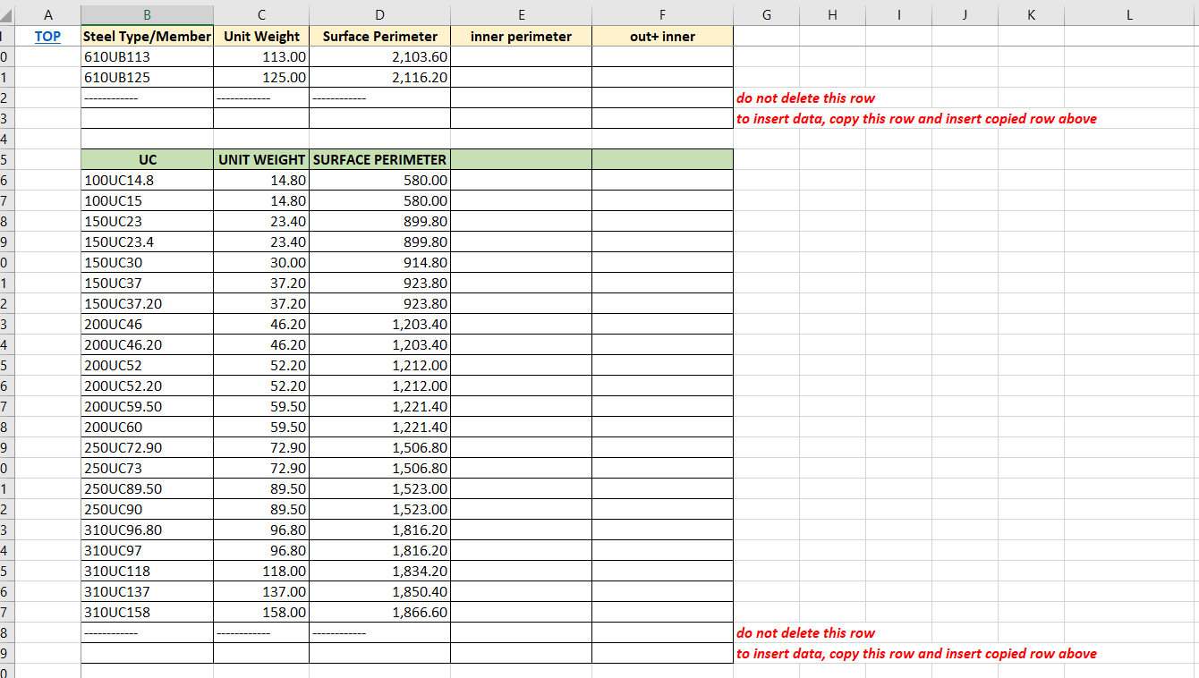

3 | You can navigate in "DATA SHEET" tab with hyperlinked cells

